Overview
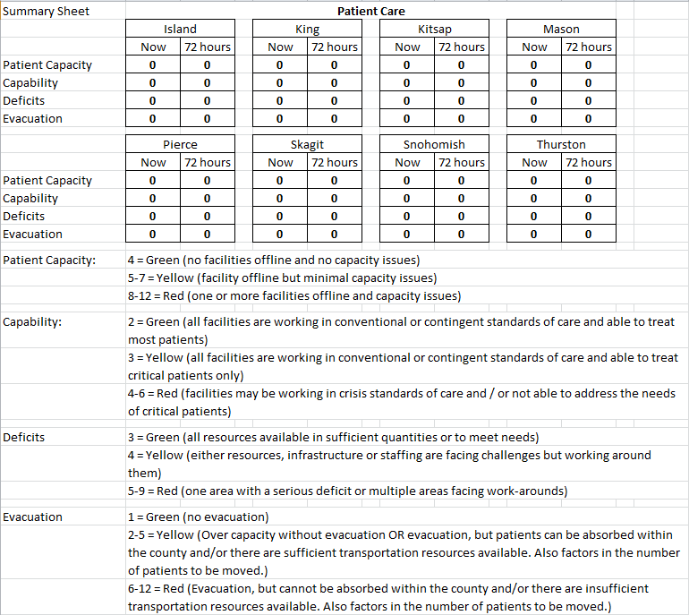
Situational Status and Medical Surge Support Tool

Overview:
A catastrophic disaster occurring in the Puget Sound area may generate thousands of injuries. Concurrently, healthcare facilities and supporting infrastructure may be damaged or destroyed across a large area. Other areas may be spared significant damages and remain operational. One certainty is that multiple jurisdictions will face an overwhelming need for additional healthcare capacity to provide care to the injured.

Purpose:
The Situational Status and Medical Surge Support Tool (“tool”) provides guidance to Local Health Officers, local emergency managers, Disaster Medical Control Centers, the Washington Emergency Management Division and the Washington Department of Health in reaching consensus recommendations regarding activation, prioritization and placement of state, federal and mutual aid medical surge assets across a multi-county area following a catastrophic disaster. This protocol establishes guidelines for the activation and use of the Situational Status and Medical Surge Support Tool.

Limitations:
This tool provides Local Health Officers with a high-level overview of impacts that effect healthcare conditions after a catastrophic incident. Completing the tool generates a summary of current and projected medical surge needs by county; conditions that may indicate the need to evacuate patients out of a county or the entire impact area; and the availability of functional Alternate Care Facility (ACF) sites across the eight-county region. It also provides Local Health Officers with a better understanding of the most pressing issues across the impact area; namely, whether patients are able to receive life-saving care in their jurisdiction and whether that jurisdiction will need and can accommodate medical surge resources mobilized by state and federal agencies. Finally, the design of the tool recognizes that different jurisdictions may be operating from different environments with respect to types of care offered, types of patients seen, and baseline levels of care.

Components:
§ A multi-county recommendation-making structure and process for prioritizing and geographically allocating state, federal and interstate mutual aid medical surge assets (e.g. Alternate Care Facilities, Disaster Medical Assistance Teams, Federal Medical Stations, etc.).
§ Prioritization and coordination tools to support State-level decision making around deploying medical surge assets across multiple counties.
§ Templates for coordination meetings of Local Health Officers regarding the activation of medical surge assets for multicounty disaster.

Tools:
§ Situational Status and Medical Surge Support Tool
§ Situational Status and Medical Surge Support Tool Guide
§ Protocol for Activation and Use
§ Sample Conference Call Agenda
§ Relevant Medical Surge Assets

Screen cap: Situational Status and Medical Surge Support Tool Summary Sheet

